VEHICLES SALES DASHBOARD
VEHICLE SALES DASHBOARD

Total Sales by year
Ordered By Month
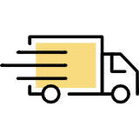



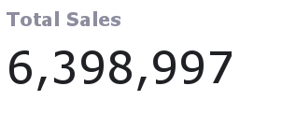
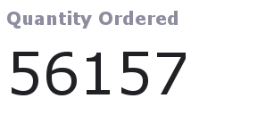

Total Sales by Country
Vechicle Sales

